Sheet1
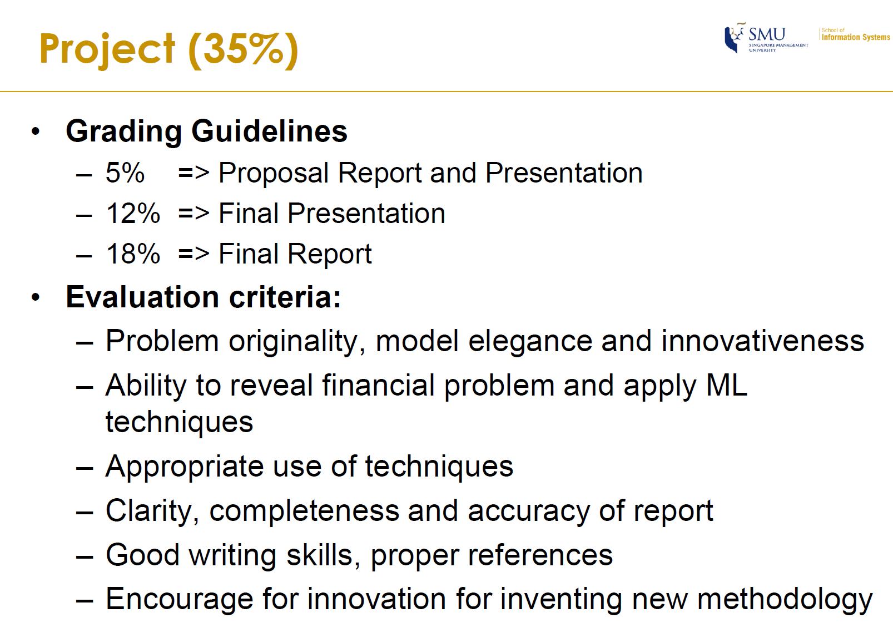
 | 2019-06-07 | 2019-06-08 | 2019-06-09 | 2019-06-10 | 2019-06-11 | 2019-06-12 | 2019-06-13 | 2019-06-14 | 2019-06-15 | 2019-06-16 | 2019-06-17 | 2019-06-18 | 2019-06-19 | 2019-06-20 | 2019-06-21 | 2019-06-22 | 2019-06-23 | 2019-06-24 | 2019-06-25 | 2019-06-26 | 2019-06-27 | 2019-06-28 | 2019-06-29 | 2019-06-30 | 2019-07-01 | 2019-07-02 | 2019-07-03 | 2019-07-04 | 2019-07-05 | 2019-07-06 | 2019-07-07 | 2019-07-08 | 2019-07-09 | 2019-07-10 | 2019-07-11 | 2019-07-12 | 2019-07-13 | 2019-07-14 | 2019-07-15 | 2019-07-16 | 2019-07-17 | 2019-07-18 | 2019-07-19 | 2019-07-20 | 2019-07-21
 | Friday | Saturday | Sunday | Monday | Tuesday | Wednesday | Thursday | Friday | Saturday | Sunday | Monday | Tuesday | Wednesday | Thursday | Friday | Saturday | Sunday | Monday | Tuesday | Wednesday | Thursday | Friday | Saturday | Sunday | Monday | Tuesday | Wednesday | Thursday | Friday | Saturday | Sunday | Monday | Tuesday | Wednesday | Thursday | Friday | Saturday | Sunday | Monday | Tuesday | Wednesday | Thursday | Friday | Saturday | Sunday
 | 1st meeting |  |  |  | Proposal report and presentation |  | 2nd meeting |  |  |  |  |  |  |  | 3rd meeting |  |  |  |  |  |  |  |  |  | 4th meeting |  |  |  | 5th Meeting | Final Presentation |  |  |  |  |  |  |  |  |  |  |  |  |  |  | Report DDL
Content | Kick-off meeting 1: understand overall goal of the project 2. Split 80 factors into 4 sub-groups for analysis |  |  |  | 5% of total grade |  | Shared single factor analysis results To do list: 1. Data Observation and Cleaning (all members) 2. Update single factor analysis based on the given format (all members) 3. Feature engineering: to read kennels and replicate it, to rank all the variables according to their explanatory power (link: https://www.kaggle.com/massquantity/all-you-need-is-pca-lb-0-11421-top-4 ) 4. Regressional analysis iteration one_DDL 21 June |  |  |  |  |  |  |  |  |  |  |  |  |  |  |  |  |  | Share report wording tec. |  |  |  | 1. repalce mode() with median()

